Cost input data
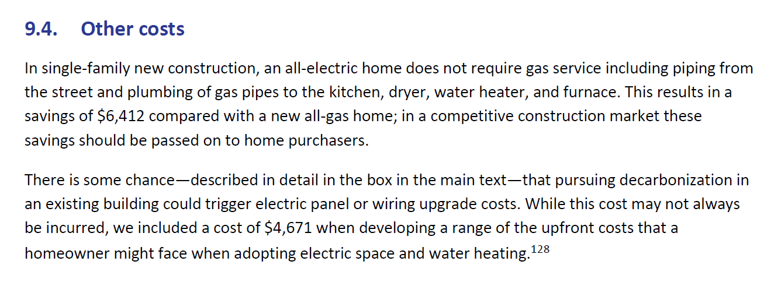

 | savings on piping in new homes |  |  | 6412
 | panel upgrade extra cost |  |  | 4671

 | at 2017 / initial prices

 | Advanced cost | Natural gas alternative | difference between two
With AC
SF Retro | 7342 | 9628 | -2286
SF New | 6132 | 7997 | -1865
MF Retro | 4506 | 6065 | -1559
MF New | 4506 | 6065 | -1559

Not including AC
SF Retro | 7342 | 6628 | 714
SF New | 6132 | 4997 | 1135
MF Retro | 4506 | 3565 | 941
MF New | 4506 | 3565 | 941

method for cooling penetration
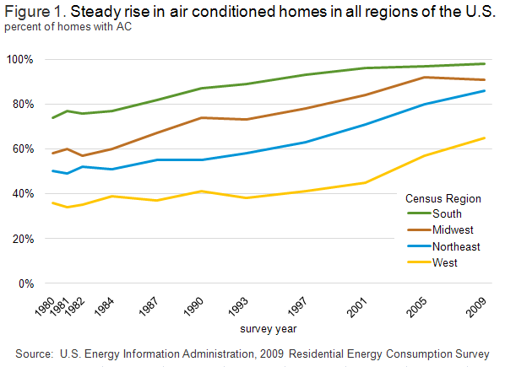
Methodology

Want to account for new vs. existing (retrofit)
Want to account for single family vs. multi family
Want to account for heating and cooling vs. heat only
Want to account for cold zones where Snyapse report results would not or may not apply
Want to accout for learning and other sources of innovation

change in fraction with central air over 2015-2017 | 0.036662590824

annualized | 0.018331295412

If applied this percentage directly, would be exponential. Historical growth more closely approximates linear. Find annual absoute increment and apply that going forward.

Year over year increase | 0.014930280154

We found no existing forecasts of future penetration of air conditioning in California.

It is well understood that air conditioning use tends to increase with increases in temperature and income.
https://www.pnas.org/content/112/19/5962

We know that areas of coastal California that were previously characterized by very little use of air conditioning are seeing large increases, per the link in the row below.
https://laist.com/2018/07/25/living_at_the_beach_no_longer_means_no_ac_needed.php

Looking at national data, the trend toward greater use of AC is obvious and nearly inexorable (in retrospect at least)
EIA data, 2009 REC survey
https://www.eia.gov/consumption/residential/reports/2009/air-conditioning.php

single vs multi for new
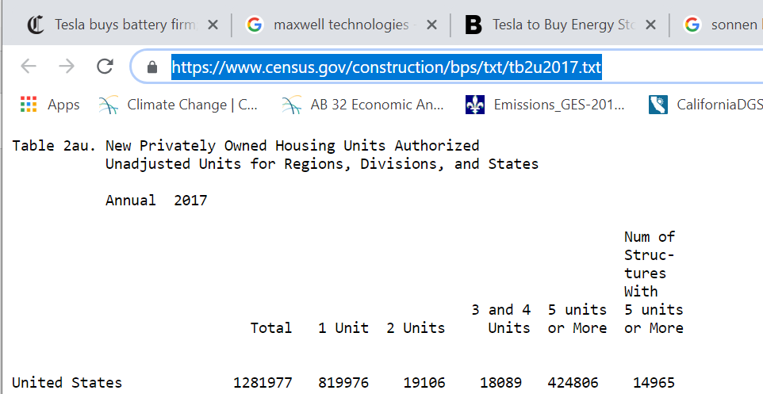

New dwelling breakdown between multifamily and single
 | # | %
Total | 114780
single | 57132 | 0.49775222164
MF | 59522 | 0.51857466458

Program administration costs
Estimated program implementation cost ($/unit installed) | 1.19E+02

Estimate annual cost
Approximate using current staffing for buildings and appliance code setting and enforcement in the California Energy Commission.
Relevant department is the line for Code 2385 from the budget below.

Cost estimate (annual) | $49,991,000

Code | Program | Positions | Dollars* (thousands) | $
2380 | Regulatory and Planning | 131 | $37,238
2385 | Energy Resources Conservation | 164.3 | $49,991 | $49,991,000
2390 | Development | 197.1 | $448,301
9900100 | Administration | 180.9 | $-
9900200 | Administration - Distributed | - | $-
Totals, Positions and Expenditures (excluding Infrastructure) |  | 673.3 | $535,530
 | Infrastructure Expenditures | - | $-
Totals, Positions and All Expenditures |  | 673.3 | $535,530

http://www.ebudget.ca.gov/budget/publication/#/e/2018-19/Department/3360
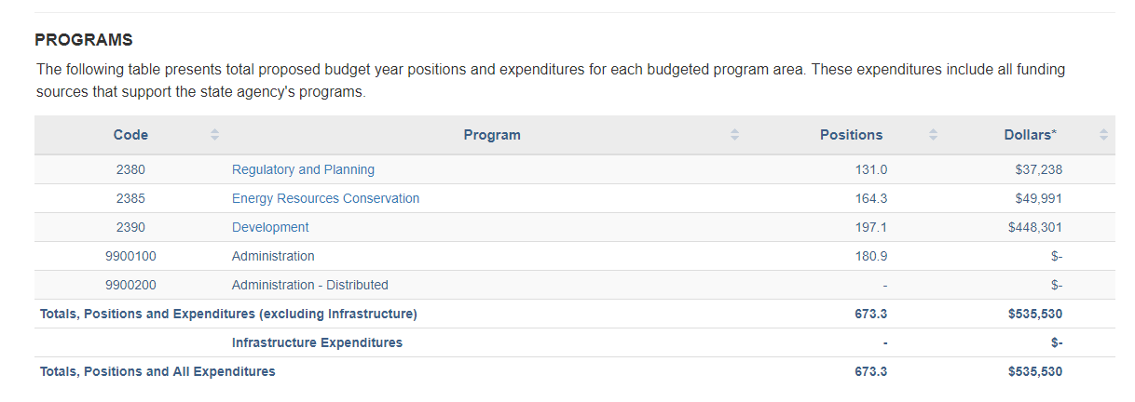

These are understood to include not only salaries but overhead and field expenses.

Cost interpeted as increment per electric heat pump unit installed.

Sum of number of units shifted to electric heat pump installations 2020-2030 | 4,190,817
annual cost over 10 years | $499,910,000
program implementation cost per heat pump installed | 119.28699833

